Sheet1
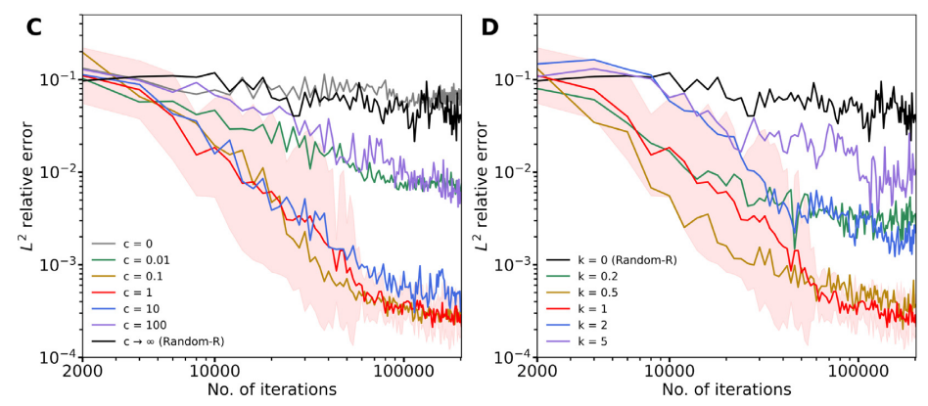
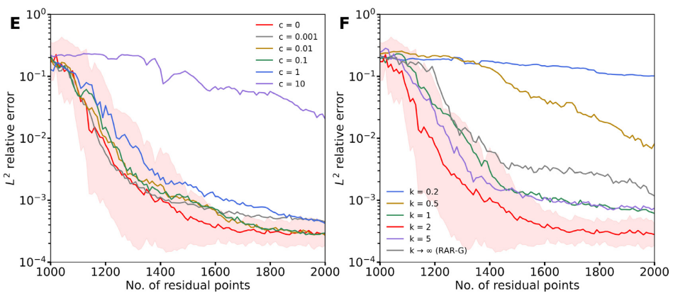
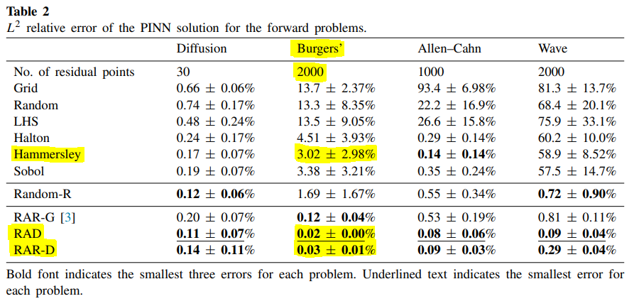
Method |  | Parameters |  |  |  |  |  | Results
 |  | Depth | Activation function | c | k | Training Point number |  | Best model at step: |  | Time | Test loss | L2 relative error
Hammersley | Been using only 1500 adam to initialise | 2, 64*3, 1 | tanh, glorot normal |  |  | 2000 |  | 17793 |  | 1181.22s | 6.69E-07 | 2.43E-02
Hammersley |  | 2, 64*3, 1 | tanh, glorot normal |  |  | 2000 |  | 17664 |  | 900.40s | 5.65E-07 | 5.44E-02
Hammersley |  | 2, 64*3, 1 | tanh, glorot normal |  |  | 2000 |  | 17846 |  | 911.52s | 5.94E-07 | 2.29E-02
Hammersley |  | 2, 64*3, 1 | tanh, glorot normal |  |  | 2000 |  | 17664 |  | 881.89s | 5.51E-07 | 4.28E-02
Hammersley |  | 2, 64*3, 1 | tanh, glorot normal |  |  | 2000 |  | 17597 |  | 866.54s | 3.70E-07 | 2.37E-02
Hammersley |  | 2, 64*3, 1 | tanh, glorot normal |  |  | 2000 |  | 17823 |  | 906.91s | 5.16E-07 | 1.01E-02
Hammersley |  | 2, 64*3, 1 | tanh, glorot normal |  |  | 2000 |  | 17611 |  | 821.76s | 1.13E-06 | 5.09E-02
Hammersley |  | 2, 64*3, 1 | tanh, glorot normal |  |  | 2000 |  | 17863 |  | 893.90s | 5.33E-07 | 1.59E-02
*
Hammersley |  | 2, 64*3, 1 | tanh, glorot normal |  |  | 2000 |  | 17854 |  | 890.96s | 8.83E-07 | 6.35E-02
Hammersley |  | 2, 64*3, 1 | tanh, glorot normal |  |  | 2000 |  | 17674 |  | 878.73s | 5.03E-07 | 3.66E-03
Hammersley |  | 2, 64*3, 1 | tanh, glorot normal |  |  | 5000 |  | 17819 |  | 2386.00s | 6.30E-07 | 1.26E-03
Hammersley |  | 2, 64*3, 1 | tanh, glorot normal |  |  | 5000 |  | 17803 |  | 2498.00s | 6.44E-07 | 1.02E-03
Hammersley |  | 2, 64*3, 1 | tanh, glorot normal |  |  | 5000 |  | 17973 |  | 1824.90s | 2.03E-06 | 2.78E-04
Hammersley |  | 2, 64*3, 1 | tanh, glorot normal |  |  | 5000 |  | 17934 |  | 2108.87s | 5.98E-07 | 1.07E-03
Hammersley Uniform - Time Taken vs Training Point #
Hammersley |  | 2, 64*3, 1 | tanh, glorot normal |  |  | 5000 |  | 17942 |  | 2723.17s | 2.89E-06 | 1.25E-03
Hammersley |  | 2, 64*3, 1 | tanh, glorot normal |  |  | 5000 |  | 18057 |  | 1830.85s | 2.75E-06 | 5.48E-04
Hammersley |  | 2, 64*3, 1 | tanh, glorot normal |  |  | 5000 |  | 17741 |  | 2259.78s | 9.03E-07 | 5.72E-04
Hammersley |  | 2, 64*3, 1 | tanh, glorot normal |  |  | 5000 |  | 17887 |  | 2230.46s | 8.52E-07 | 2.55E-04
Hammersley |  | 2, 64*3, 1 | tanh, glorot normal |  |  | 5000 |  | 17854 |  | 2257.87s | 6.14E-07 | 4.64E-04
Hammersley |  | 2, 64*3, 1 | tanh, glorot normal |  |  | 5000 |  | 17801 |  | 2475.88s | 8.86E-07 | 1.73E-03
Hammersley |  | 2, 64*3, 1 | tanh, glorot normal |  |  | 10000 |  | 17779 |  | 4295.47s | 8.79E-07 | 8.16E-05
Hammersley Results
Hammersley |  | 2, 64*3, 1 | tanh, glorot normal |  |  | 10000 |  | 17850 |  | 3829.94s | 1.28E-06 | 1.30E-04
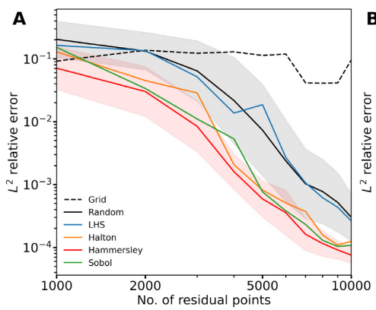
Hammersley |  | 2, 64*3, 1 | tanh, glorot normal |  |  | 10000 |  | 17893 |  | 3958.58s | 1.57E-06 | 1.49E-04
Hammersley |  | 2, 64*3, 1 | tanh, glorot normal |  |  | 10000 |  | 17831 |  | 3952.46s | 1.03E-06 | 1.29E-04
Hammersley |  | 2, 64*3, 1 | tanh, glorot normal |  |  | 10000 |  | 17862 |  | 3229.22s | 1.61E-06 | 1.61E-04
Hammersley |  | 2, 64*3, 1 | tanh, glorot normal |  |  | 10000 |  | 17845 |  | 3257.18s | 3.02E-06 | 3.42E-04
From Graph:
Average is 0.02,
max is 0.07
0.02 +- 0.05
But from Table
3.02 +- 2.98% is no where close
From my results
Close to value from their graph at 0.0312
Hammersley |  | 2, 64*3, 1 | tanh, glorot normal |  |  | 10000 |  | 17912 |  | 3312.50s | 1.82E-06 | 1.80E-04
Hammersley |  | 2, 64*3, 1 | tanh, glorot normal |  |  | 10000 |  | 17965 |  | 4168.50s | 9.80E-07 | 9.56E-05
*?
Hammersley |  | 2, 64*3, 1 | tanh, glorot normal |  |  | 10000 |  | 17939 |  | 3828.40s | 1.26E-06 | 1.19E-04
Hammersley |  | 2, 64*3, 1 | tanh, glorot normal |  |  | 10000 |  | 17858 |  | 4501.85s | 1.05E-06 | 1.09E-04
 |  |  |  |  |  |  |  |  |  |  |  | l2 average | stdev
 |  |  |  |  |  | 5000 |  |  |  |  |  | 8.45E-04 | 0.00046608038924
 |  |  |  |  |  | 10000 |  |  |  |  |  | 1.50E-04 | 7.0086486757E-05
 |  |  |  |  |  | 2000 |  |  |  |  |  | 3.12E-02 | 0.019267628016
Method | Notes | Depth | Activation function | c | k | Training Point number | RAR-G Point Strategy | Iterations | Notes on results | Time | Test loss | L2 relative error
RAR-D | First run *10 | 2, 64*3, 1 | tanh, glorot normal | 2 | 0 | 2000 | 1000+(100*10) |  |  | 747.01s |  | 1.30E-01
RAR-D |  | 2, 64*3, 1 | tanh, glorot normal | 2 | 0 | 2000 | 1000+(100*10) |  |  | 1012.37s |  | 2.71E-01
Loss and Error against # of Points
RAR-D |  | 2, 64*3, 1 | tanh, glorot normal | 2 | 0 | 2000 | 1000+(100*10) |  |  | 1406.94s |  | 2.98E-01
RAR-D |  | 2, 64*3, 1 | tanh, glorot normal | 2 | 0 | 2000 | 1000+(100*10) |  |  | 1993.84s |  | 2.53E-01
RAR-D |  | 2, 64*3, 1 | tanh, glorot normal | 2 | 0 | 2000 | 1000+(100*10) |  |  | 2955.20s |  | 1.15E-01
RAR-D |  | 2, 64*3, 1 | tanh, glorot normal | 2 | 0 | 2000 | 1000+(100*10) |  |  | 3968.20s |  | 2.11E-01
RAR-D |  | 2, 64*3, 1 | tanh, glorot normal | 2 | 0 | 2000 | 1000+(100*10) |  |  | 5735.46s |  | 1.88E-01
RAR-D |  | 2, 64*3, 1 | tanh, glorot normal | 2 | 0 | 2000 | 1000+(100*10) |  |  | 7479.75s |  | 6.45E-02
RAR-D |  | 2, 64*3, 1 | tanh, glorot normal | 2 | 0 | 2000 | 1000+(100*10) | 23177 |  | 9613.03s |  | 1.37E-01
RAR-D |  | 2, 64*3, 1 | tanh, glorot normal | 2 | 0 | 2000 | 1000+(100*10) | 23221 |  | 12188.36s |  | 1.45E-01
RAR-D | Time taken didn’t make sense, tried to debug running just 1 | 2, 64*3, 1 | tanh, glorot normal | 2 | 0 | 2000 | 2500+(250*10) | 23162 |  | 738.09s |  | 1.19E-01
RAR-D | Upped initial ADAM to 15000 to see imapct (Suffix a) | 2, 64*3, 1 | tanh, glorot normal | 2 | 0 | 2000 | 2500+(250*10) |  | 15000 adam very quick (few mintues) but no improvement | 961.63s |  | 2.72E-01
RAR-D | Upped initial ADAM to 15000 to see imapct (Suffix a) | 2, 64*3, 1 | tanh, glorot normal | 2 | 0 | 2000 | 2500+(250*10) |  |  | 983.93s |  | 1.08E-01
RAR-D | Upped to 100 rounds of resampling now | 2, 64*3, 1 | tanh, glorot normal | 2 | 0 | 2000 | 2500+(250*10)
RAR-D |  | 2, 64*3, 1 | tanh, glorot normal | 2 | 0 | 2000 | 2500+(250*10)
RAR-D |  | 2, 64*3, 1 | tanh, glorot normal | 2 | 0 | 2000 | 2500+(250*10)
RAR-D |  | 2, 64*3, 1 | tanh, glorot normal | 2 | 0 | 2000 | 2500+(250*10)
RAR-D |  | 2, 64*3, 1 | tanh, glorot normal | 2 | 0 | 2000 | 2500+(250*10)
RAR-D |  | 2, 64*3, 1 | tanh, glorot normal | 2 | 0 | 2000 | 2500+(250*10)
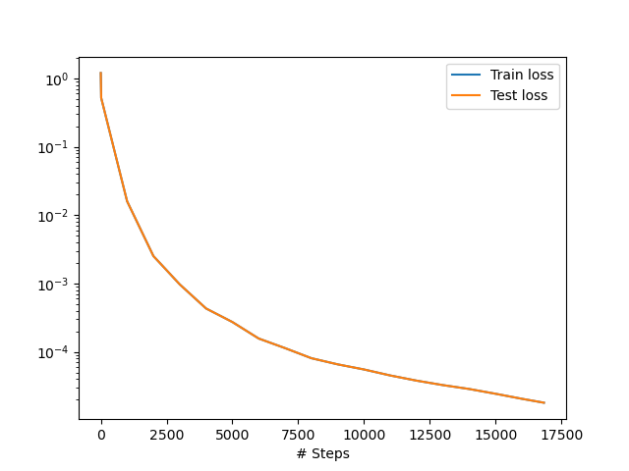
RAR-D |  | 2, 64*3, 1 | tanh, glorot normal | 2 | 0 | 2000 | 2500+(250*10)
Hammersley: Loss against iteration
RAR-D Time Taken by different runs

